TEDB Edition 40
Figure 3.2 World Truck and Bus Production, 1983-2020a

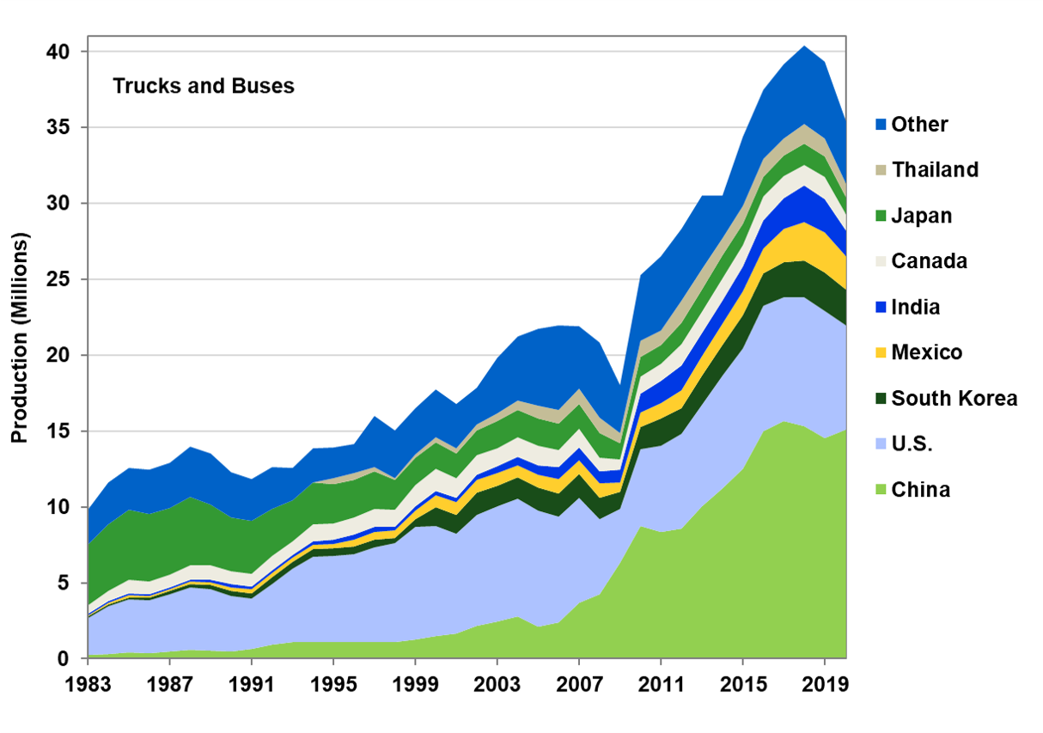

 | (Millions) |  |  |  |  |  |  |  |  |  |  |  |  |  |  |  |  | (Millions)
 | 1983 | 1984 | 1985 | 1986 | 1987 | 1988 | 1989 | 1990 | 1991 | 1992 | 1993 | 1994 | 1995 | 1996 | 1997 | 1998 | 1999 | 2000 | 2001 | 2002 | 2003 | 2004 | 2005 | 2006 | 2007 | 2008 | 2009 | 2010 | 2011 | 2012 | 2013 | 2014 | 2015 | 2016 | 2017 | 2018 | 2019 | 2020
China | 0.2 | 0.3 | 0.4 | 0.4 | 0.5 | 0.6 | 0.6 | 0.5 | 0.6 | 0.9 | 1.1 | 1.1 | 1.1 | 1.1 | 1.1 | 1.1 | 1.3 | 1.5 | 1.6 | 2.2 | 2.4 | 2.8 | 2.1 | 2.4 | 3.7 | 4.3 | 6.3 | 8.8 | 8.4 | 8.6 | 10.1 | 11.2 | 12.5 | 15.0 | 15.7 | 15.3 | 14.6 | 15.1
U.S. | 2.4 | 3.2 | 3.5 | 3.5 | 3.8 | 4.1 | 4.0 | 3.7 | 3.4 | 4.0 | 4.9 | 5.6 | 5.7 | 5.8 | 6.3 | 6.5 | 7.4 | 7.3 | 6.6 | 7.3 | 7.6 | 7.8 | 7.7 | 6.9 | 6.9 | 4.9 | 3.5 | 5.0 | 5.7 | 6.2 | 6.7 | 7.4 | 7.9 | 8.3 | 8.2 | 8.5 | 8.4 | 6.9
South Korea | 0.1 | 0.1 | 0.1 | 0.1 | 0.2 | 0.2 | 0.3 | 0.3 | 0.3 | 0.4 | 0.5 | 0.5 | 0.5 | 0.5 | 0.5 | 0.3 | 0.5 | 1.2 | 1.2 | 1.5 | 1.4 | 1.4 | 1.5 | 1.5 | 1.6 | 1.4 | 1.1 | 1.5 | 1.8 | 1.7 | 1.9 | 2.0 | 2.2 | 2.1 | 2.3 | 2.4 | 2.5 | 2.4
Mexico | 0.1 | 0.1 | 0.2 | 0.1 | 0.1 | 0.2 | 0.2 | 0.2 | 0.3 | 0.3 | 0.2 | 0.3 | 0.2 | 0.4 | 0.5 | 0.5 | 0.5 | 0.8 | 0.9 | 0.8 | 0.8 | 0.8 | 0.8 | 0.9 | 0.9 | 1.0 | 0.6 | 1.0 | 1.0 | 1.2 | 1.3 | 1.5 | 1.6 | 1.6 | 2.2 | 2.5 | 2.6 | 2.2
India | 0.1 | 0.1 | 0.1 | 0.1 | 0.1 | 0.2 | 0.2 | 0.2 | 0.2 | 0.2 | 0.2 | 0.2 | 0.3 | 0.4 | 0.3 | 0.2 | 0.3 | 0.3 | 0.3 | 0.3 | 0.5 | 0.6 | 0.6 | 0.8 | 0.9 | 0.8 | 0.9 | 1.2 | 1.5 | 1.6 | 1.5 | 1.5 | 1.6 | 1.9 | 2.0 | 2.4 | 2.2 | 1.7
Canada | 0.6 | 0.6 | 0.9 | 0.8 | 0.8 | 0.9 | 0.9 | 0.9 | 0.8 | 0.9 | 0.9 | 1.1 | 1.1 | 1.1 | 1.2 | 1.1 | 1.4 | 1.4 | 1.3 | 1.3 | 1.2 | 1.3 | 1.3 | 1.1 | 1.2 | 0.9 | 0.7 | 1.1 | 1.1 | 1.4 | 1.4 | 1.5 | 1.4 | 1.6 | 1.4 | 1.4 | 1.5 | 1.0
Japan | 4.0 | 4.4 | 4.6 | 4.5 | 4.4 | 4.5 | 4.0 | 3.5 | 3.5 | 3.1 | 2.7 | 2.8 | 2.6 | 2.5 | 2.5 | 2.0 | 1.8 | 1.8 | 1.7 | 1.6 | 1.8 | 1.8 | 1.8 | 1.7 | 1.7 | 1.6 | 1.1 | 1.3 | 1.2 | 1.4 | 1.4 | 1.5 | 1.4 | 1.3 | 1.3 | 1.4 | 1.4 | 1.1
Thailand | 0.0 | 0.0 | 0.0 | 0.0 | 0.0 | 0.0 | 0.0 | 0.0 | 0.0 | 0.0 | 0.0 | 0.0 | 0.4 | 0.4 | 0.2 | 0.1 | 0.2 | 0.3 | 0.3 | 0.4 | 0.5 | 0.6 | 0.8 | 0.9 | 1.0 | 1.0 | 0.7 | 1.1 | 0.9 | 1.5 | 1.4 | 1.1 | 1.2 | 1.1 | 1.2 | 1.3 | 1.2 | 0.9
Other | 2.3 | 2.8 | 2.8 | 3.0 | 3.0 | 3.3 | 3.4 | 3.0 | 2.8 | 2.7 | 2.1 | 2.3 | 2.0 | 1.9 | 3.4 | 3.1 | 3.0 | 3.1 | 3.0 | 2.4 | 3.6 | 4.2 | 5.1 | 5.6 | 4.1 | 5.0 | 3.1 | 4.3 | 4.9 | 4.7 | 4.8 | 2.8 | 4.6 | 4.6 | 4.9 | 5.2 | 5.0 | 4.1
World | 9.8 | 11.6 | 12.6 | 12.5 | 12.9 | 14.0 | 13.5 | 12.3 | 11.8 | 12.6 | 12.6 | 13.9 | 13.9 | 14.1 | 16.0 | 15.1 | 16.5 | 17.7 | 16.8 | 17.8 | 19.8 | 21.2 | 21.7 | 22.0 | 21.9 | 20.8 | 18.0 | 25.3 | 26.5 | 28.3 | 30.5 | 30.5 | 34.4 | 37.5 | 39.2 | 40.4 | 39.3 | 35.4

Source:
Ward's Communications, www.wardsauto.com.

a The sharp decrease in 2009 coincides with the recession. Note that the scales on Figure 3.1 and 3.2 differ.

